P1b
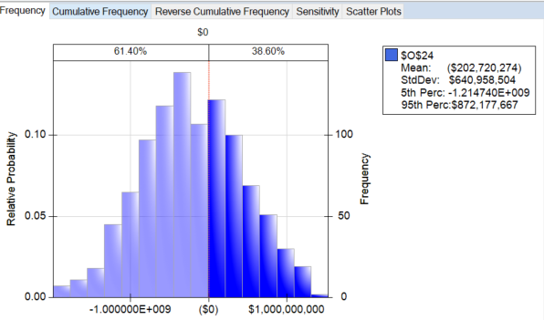
 |  | Recall Yr | Recall Costs |  |  | Rebate Cost |  | demand yr1 |  |  | demand yr2-10 |  |  | inflation |  | No. cars | Discount
 |  | 2 | min | 500 |  | 2000 |  | mean | 95,000 |  | mean | previous yr |  | min | 2.3% | 1 | 18%
 |  |  | likely | 700 |  |  |  | std dev | 7,000 |  | std dev | 7,000 |  | max | 6.9% | 1,000 | 22%
 |  |  | max | 1,000 |  |  |  | min | 72000 |  | min | 75000 |  |  |  | 10,000 | 27%
 |  |  |  |  |  |  |  | max | 109000 |  | max | 112000

 | Production | Inflation | Cost/car | Variable Cost | Recall Cost | Rebate Cost | Demand | Price | Shortage/Surplus | Revenue | Surplus Revenue | PROFIT
year 1 | 100,000 | 5.5% | 24,000 | 2,400,000,000 |  |  | 96,038 | 30,000 | 3962 | 2,881,140,000 | 26,149,200 | 507,289,200
year 2 | 97000 | 4.0% | 25,322 | 2,456,219,927 | 122,184,527 |  | 82,976 | 30,000 | 14024 | 2,489,280,000 | 113,594,400 | 24,469,946
year 3 | 94090 | 3.7% | 26,331 | 2,477,497,120 | - | 184,990,000 | 92,495 | 30,000 | 1595 | 2,774,850,000 | 10,527,000 | 122,889,880
year 4 | 91267 | 6.1% | 27,300 | 2,491,586,260 |  | - | 98,886 | 31,100 | -7619 | 3,075,354,600 | - | 583,768,340
year 5 | 95830 | 6.1% | 28,979 | 2,777,021,450 |  |  | 102,390 | 32,600 | -6560 | 3,337,914,000 | - | 560,892,550
year 6 | 100622 | 6.7% | 30,752 | 3,094,360,785 |  |  | 101,521 | 34,100 | -899 | 3,461,866,100 | - | 367,505,315
year 7 | 105653 | 2.3% | 32,826 | 3,468,134,455 |  |  | 107,508 | 35,600 | -1855 | 3,827,284,800 | - | 359,150,345
year 8 | 110936 | 3.3% | 33,596 | 3,726,966,681 |  |  | 96,589 | 36,400 | 14347 | 3,515,839,600 | 141,002,316 | (70,124,765)
year 9 | 107608 | 2.6% | 34,715 | 3,735,601,561 |  |  | 90,773 | 37,600 | 16835 | 3,413,064,800 | 170,908,920 | (151,627,841)
year 10 | 104380 | 5.8% | 35,626 | 3,718,624,658 |  |  | 90,253 | 38,600 | 14127 | 3,483,765,800 | 147,231,594 | (87,627,264)
 |  |  |  |  |  |  |  |  |  |  |  |  |  | NPV of Profits
 |  |  |  |  |  |  |  |  |  |  | Total Profit | 2,216,585,707 |  | $1,632,567,539

 |  |  |  |  |  |  |  |  | Start Up Costs |  | Startup Cost | 2,079,412,660 |  | NPV Project
 |  |  |  |  |  |  |  |  | min | 1,400,000,000 |  |  |  | ($446,845,121)
 |  |  |  |  |  |  |  |  | likely | 2,200,000,000
 |  |  |  |  |  |  |  |  | max | 2,600,000,000 |  |  | min | #N/A
 |  |  |  |  |  |  |  |  |  |  |  |  | mean | #N/A
 |  |  |  |  |  |  |  |  |  |  |  |  | max | #N/A

 |  |  |  |  |  |  |  |  |  |  |  |  | Positive NPV | #N/A

 |  |  |  |  |  |  |  |  |  |  |  |  | lower | #N/A
 |  |  |  |  |  |  |  |  |  |  |  |  | upper | #N/A

